2
 | LoanStatus | ProsperRating (numeric), | EmploymentStatus | IsBorrowerHomeowner | IncomeRange | ListingCategory (numeric) | CreditScoreRangeLower | StatedMonthlyIncome | DebtToIncomeRatio | CurrentDelinquencies | AmountDelinquent | PublicRecordsLast12Months | BankcardUtilization | LoanOriginalAmount | BorrowerAPR
LoanStatus |  | x | x | x | x | x | x | x | x | x | x | x | x | x | x
ProsperRating (numeric), | x |  |  |  |  |  |  |  |  |  |  |  |  | 1 | 1
EmploymentStatus | + | no! intersting |  |  |  |  | 1 |  |  |  |  |  |  |  | 1
IsBorrowerHomeowner | x | yaa | not really
IncomeRange | x | yaa | kinda
ListingCategory (numeric) | x | maybe
CreditScoreRangeLower | x | + | not really but interesting |  |  | not really
StatedMonthlyIncome | x
DebtToIncomeRatio | x | no | not really |  |  | no
CurrentDelinquencies | x
AmountDelinquent | x
PublicRecordsLast12Months | x
BankcardUtilization | x
LoanOriginalAmount | x | + | kinda |  |  | kinda | +
BorrowerAPR | x | - | not really |  |  | kinda | - |  |  |  |  |  | + | +
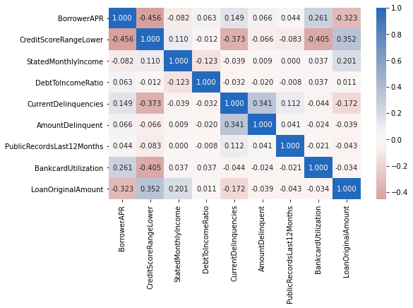
下 ２、 上３

